Scheme
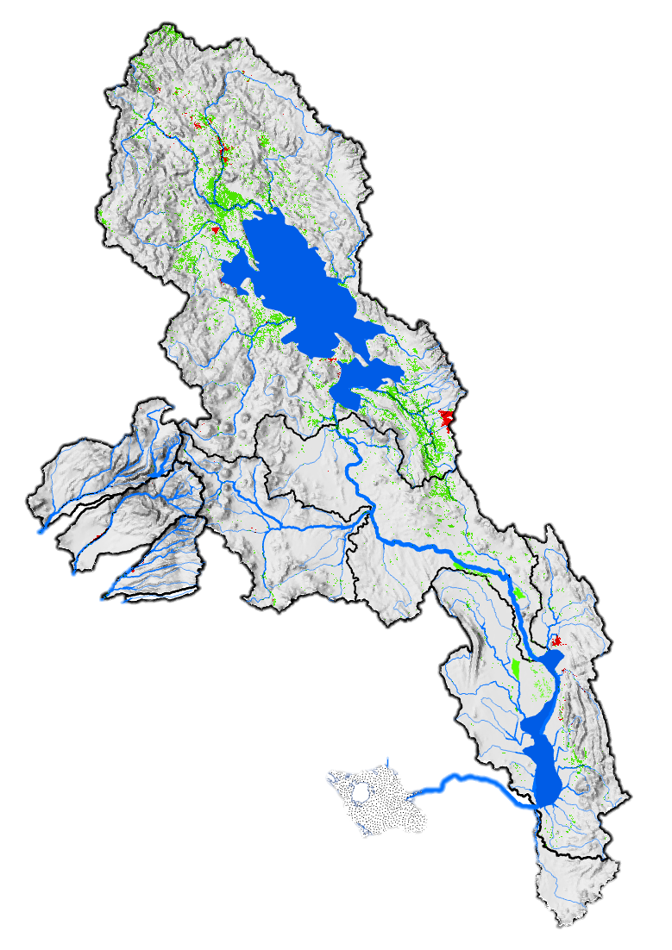
 | Ingreso lago | Salida Lago
Ene | 527 | 7
Feb | 820 | 13
Mar | 566 | 19
Apr | 324 | 20
May | 174 | 18
Jun | 106 | 15
Jul | 72 | 12
Ago | 55 | 9
Sep | 53 | 7
Oct | 58 | 5
Nov | 76 | 4
Dic | 165 | 4
 |  |  |  |  |  |  |  |  |  |  |  |  |  |  |  |  |  |  | Input and Output of the Lake
 |  |  | Water Use in Titicaca |  |  |  |  |  |  |  |  |  |  |  |  |  |  |  |  |  |  |  |  |  |  | SCENARIO
Type | Capacity of water use |  |  | Area [Ha] | Irrigation |  | Water use |  |  |  |  |  |  |  |  |  |  |  |  |  |  |  |  |  |  | Average
Agriculture |  | 26% |  | 500000 | 75% |  | 10 | cms
 |  |  |  | Personas | Cobertura
Domestic |  | 3% |  | 2500000 | 100% |  | 1.5 | cms
 |  | Infraestructure |  |  |  |  |  |  |  |  |  |  |  | 250 | cms

 | Desaguadero | Ulloma | Out Desaguadero
Ene | 35 | 62 | 70
Feb | 56 | 101 | 115
Mar | 46 | 81 | 87
Apr | 35 | 60 | 61
May | 26 | 43 | 42
Jun | 21 | 36 | 33
Jul | 18 | 29 | 27
Ago | 14 | 24 | 10
Sep | 12 | 20 | 9
Oct | 10 | 17 | 8
Nov | 9 | 17 | 8
Dic | 13 | 24 | 22
 |  |  |  |  |  |  |  |  |  |  |  |  |  |  |  |  |  |  | Desaguadero River

Ene | 926742
Feb | 928863
Mar | 930216
Apr | 930378
May | 929887
Jun | 929304
Jul | 928575
Ago | 927713
Sep | 926798
Oct | 925974
Nov | 925215
Dic | 925206
 |  |  |  |  |  | Titicaca Lake

 | MCM
Average | 927906
Minimun | 925206

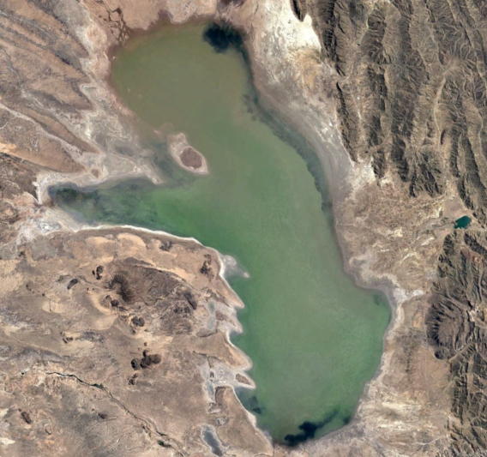
 |  |  |  |  |  |  |  |  | 11 | cms |  |  |  |  |  |  |  |  |  |  |  |  |  | Desaguadero Water Use
 |  |  |  |  |  |  |  |  |  |  |  |  |  |  |  |  |  |  |  |  | Type | Capacity of Water Use |  |  | Area [Ha] | Irrigated | Water Use
 |  |  |  |  |  |  |  |  |  |  |  |  |  |  |  | 25 | cms |  |  |  | Agriculture |  | 64% |  | 21000 | 80% | 6 | cms
 |  |  |  |  |  |  |  |  |  |  |  |  |  |  |  |  |  |  |  |  |  |  | Infraestructure
 |  |  |  |  |  |  |  |  |  |  |  |  |  |  |  |  | 43 | cms
 |  |  |  |  |  |  |  |  |  |  |  |  |  |  |  |  |  |  |  |  |  |  |  |  |  |  |  |  |  | Average
 |  |  |  |  |  |  |  |  |  |  |  |  |  |  |  |  |  |  | 41 | cms

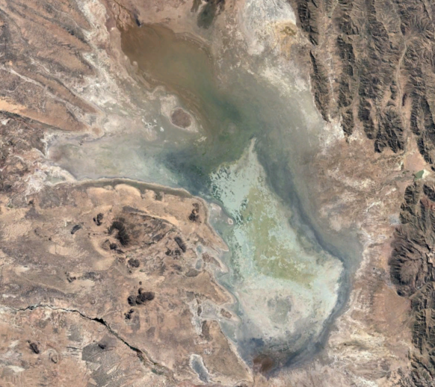
 |  |  | Caplina Water Use
 |  | Infraestructure |  |  |  |  |  |  |  |  |  |  |  |  |  |  |  |  |  |  |  |  |  | Poopo Water Use
Type | Capacity of water use |  |  | Area [Ha] | Irrigation |  | Water use |  |  |  |  |  |  |  |  |  |  |  |  |  | Tipo | Capacidad de uso |  |  | Area [Ha] | Riego | Caudal Usado
Agriculture |  | 18% |  | 4300 | 90% |  | 1.44 | cms |  |  |  |  |  |  |  |  |  |  |  |  | Agriculture |  | 100% |  | 12000 | 31% | 2 | cms
 | Mauri
Ene | 26
Feb | 45
Mar | 35
Apr | 25
May | 17
Jun | 14
Jul | 12
Ago | 9
Sep | 9
Oct | 8
Nov | 8
Dic | 11
 |  |  |  |  |  |  |  |  |  |  |  |  |  |  |  |  |  |  |  |  |  |  |  |  | Personas | Cobertura
 |  |  |  |  |  |  |  |  |  |  |  |  |  |  |  |  |  |  |  |  | Domestic |  | 15% |  | 500000 | 100% | 0.3 | cms
 |  |  |  |  |  |  |  |  |  |  |  | 18 | cms |  |  |  |  |  |  |  |  |  | Infraestructure |  |  |  |  |  |  | Below 100
Ene | 912
Feb | 1190
Mar | 1361
Apr | 1403
May | 1385
Jun | 1355
Jul | 1306
Ago | 1204
Sep | 1088
Oct | 959
Nov | 846
Dic | 808
 |  |  |  |  |  |  |  |  |  |  |  |  |  |  |  |  |  |  |  |  |  |  |  | Poopo Lake

 |  |  |  |  |  |  |  |  |  |  |  |  |  |  |  |  |  |  |  |  |  |  |  |  |  |  | MCM
 |  |  |  |  |  |  |  |  |  |  |  |  |  |  |  |  |  |  |  |  |  |  |  |  |  |  | 1151 | Average
 |  |  |  |  |  |  |  |  |  |  | Mauri |  |  |  |  |  |  |  |  |  |  |  |  |  |  |  | 808 | Minimun | Ensure Level Never is below 100

 |  |  |  |  |  |  |  |  |  |  |  |  |  |  |  |  |  |  |  |  |  |  |  | Poopo Lake

Data
Date | Inflow Lake | Titicaca | Out_Titicaca | Desaguadero | Mauri | Ulloma | Out Desaguadero | Poopo Inflow |  | Scenario |  |  |  |  | NET_Titicaca | NET_Poopo |  | Desaguadero | Mauri | Ulloma | Out Desaguadero | Poopo Inflow
Jan | 528.4 |  | 13.4 | 41.8 | 27.8 | 95.7 | 103.9 | 116.4 |  | Average |  |  |  |  | 85.7 | -21.7 |  | 28.418 | 27.7592 | 26.1158 | 8.1831 | 12.586
Feb | 821.5 |  | 19.9 | 63.0 | 46.2 | 142.7 | 156.7 | 181.3 |  | Dry |  |  |  |  | 56.7 | -24.6 |  | 43.1391 | 46.1578 | 33.5234 | 13.996 | 24.596
Mar | 567.4 |  | 29.4 | 55.9 | 36.2 | 113.5 | 119.4 | 131.8 |  | Extremely Dry |  |  |  |  | -60.4 | -34.7 |  | 26.473 | 36.1668 | 21.4172 | 5.935 | 12.405
Apr | 327.1 |  | 35.9 | 50.6 | 26.3 | 88.4 | 91.2 | 96.9 |  |  |  |  |  |  | -261.5 | -49.0 |  | 14.6748 | 26.3309 | 11.4924 | 2.8484 | 5.6925
May | 179.2 |  | 36.4 | 44.5 | 18.5 | 69.6 | 71.2 | 74.1 |  |  |  |  |  |  | -357.9 | -49.7 |  | 8.0797 | 18.5208 | 6.5384 | 1.6041 | 2.97
Jun | 120.5 |  | 33.5 | 39.9 | 15.7 | 61.1 | 62.5 | 65.1 |  |  |  |  |  |  | -330.7 | -44.6 |  | 6.3918 | 15.7255 | 5.4753 | 1.414 | 2.5572
Jul | 89.8 |  | 29.8 | 35.2 | 13.1 | 52.9 | 54.2 | 56.5 |  |  |  |  |  | 925101 | -344.1 | -44.6 |  | 5.3866 | 13.1156 | 4.6644 | 1.2663 | 2.3171 |  | 750
Aug | 75.2 |  | 25.6 | 30.4 | 11.5 | 46.1 | 47.3 | 49.6 |  |  |  |  | 2019 | 920887 | -387.5 | -49.3 |  | 4.8668 | 11.4957 | 4.1771 | 1.2059 | 2.2419 | 2019 | 645
Sep | 73.0 |  | 20.8 | 25.6 | 10.5 | 40.3 | 41.6 | 44.0 |  |  |  |  |  |  | -406.3 | -53.1 |  | 4.7753 | 10.547 | 4.1633 | 1.2934 | 2.393
Oct | 79.4 |  | 17.0 | 21.7 | 9.4 | 35.1 | 36.4 | 38.7 |  |  |  |  |  |  | -365.6 | -55.5 |  | 4.7065 | 9.35239 | 3.97961 | 1.3015 | 2.3727
Nov | 102.0 |  | 14.1 | 19.7 | 9.5 | 34.0 | 35.4 | 38.1 |  |  |  |  | average |  | -368.8 | -51.2 |  | 5.5129 | 9.50703 | 4.84557 | 1.433 | 2.6642 | average
Dec | 173.2 |  | 12.4 | 21.4 | 12.1 | 43.5 | 45.7 | 49.9 |  |  |  |  | MCM | 925101 | -168.5 | -36.9 |  | 9.0614 | 12.1166 | 9.8972 | 2.2699 | 4.1751 | MCM | 750

 | Demanda Titicaca |  |  |  |  | Desaguadero |  |  |  |  |  | Use | Ingreso lago | Titicaca | Salida Lago | Desaguadero | Mauri | Ulloma | Out Desaguadero | Poopo Inflow | Poopo
 | Domestic | 3% | available |  |  |  |  |  |  |  | 31 | Ene | 527 | 926742 | 7 | 35 | 26 | 62 | 70 | 82 | 912
 | Agricul | 26% | available |  |  | Agricul | 64% | available |  |  | 28 | Feb | 820 | 928863 | 13 | 56 | 45 | 101 | 115 | 140 | 1190
 | Domestic | 1.5 | CMS |  |  |  |  |  |  |  | 31 | Mar | 566 | 930216 | 19 | 46 | 35 | 81 | 87 | 99 | 1361
 | 2500000 | personas |  |  |  |  |  |  |  |  | 30 | Apr | 324 | 930378 | 20 | 35 | 25 | 60 | 61 | 65 | 1403
 | Agricultura |  |  |  |  | Agricultura |  |  |  |  | 31 | May | 174 | 929887 | 18 | 26 | 17 | 43 | 42 | 43 | 1385
 | 500000 | Ha | Available | Dom Supplied | Agr Supplied | 21000 | Ha | Available | Agr Supplied |  | 30 | Jun | 106 | 929304 | 15 | 21 | 14 | 36 | 33 | 33 | 1355
 | Ene | 0 | 526.9 | 1.5 | 0 | Ene | 0 | 61.58 | 0 |  | 31 | Jul | 72 | 928575 | 12 | 18 | 12 | 29 | 27 | 27 | 1306
 | Feb | 0 | 820.0 | 1.5 | 0 | Feb | 0 | 101.33 | 0 |  | 30 | Ago | 55 | 927713 | 9 | 14 | 9 | 24 | 10 | 10 | 1204
 | Mar | 0 | 565.9 | 1.5 | 0 | Mar | 0 | 80.57 | 0 |  | 30 | Sep | 53 | 926798 | 7 | 12 | 9 | 20 | 9 | 9 | 1088
 | Apr | 1.6 | 325.6 | 1.5 | 1.632 | Apr | 1.68 | 58.05 | 1.68 |  | 31 | Oct | 58 | 925974 | 5 | 10 | 8 | 17 | 8 | 8 | 959
 | May | 3.3 | 177.7 | 1.5 | 3.264 | May | 2.52 | 40.44 | 2.52 |  | 30 | Nov | 76 | 925215 | 4 | 9 | 8 | 17 | 8 | 8 | 846
 | Jun | 13.1 | 119.0 | 1.5 | 13.056 | Jun | 4.2 | 31.72 | 4.2 |  | 31 | Dic | 165 | 925206 | 4 | 13 | 11 | 24 | 22 | 22 | 808
 | Jul | 16.3 | 88.3 | 1.5 | 16.32 | Jul | 4.2 | 25.26 | 4.2 |  |  |  | 250 | 927906 | 11 | 25 | 18 | 43 | 41 | 45 | 1151
 | Ago | 24.5 | 73.7 | 1.5 | 18.859459003 | Ago | 16.8 | 8.45 | 15.150475786 |  |  |  |  | 925206 |  |  |  |  |  |  | 808
 | Sep | 32.6 | 71.5 | 1.5 | 18.309642793 | Sep | 21 | 7.24 | 12.973132979
 | Oct | 40.8 | 77.9 | 1.5 | 19.950898204 | Oct | 16.8 | 6.21 | 11.12390426
 | Nov | 24.5 | 100.5 | 1.5 | 24.48 | Nov | 12.6 | 6.22 | 11.152486975
 | Dic | 6.5 | 171.7 | 1.5 | 6.528 | Dic | 4.2 | 19.32 | 4.2 |  |  | 923000 | 0
 | Average | 13.6 | CMS | 1.5000 | 10.2000 | Average | 7 | CMS | 5.6000 |  |  | 924000 | 0.01
 |  |  |  |  |  |  |  |  |  |  |  | 925000 | 0.5
 | Poopo |  |  |  |  | Mauri Uchusuma |  |  |  |  |  | 926000 | 1
 | Domestic | 15% | available |  |  |  |  |  |  |  |  | 927000 | 1.5
 | Agricul | 100% | available |  |  | Agricul | 18% | available |  |  |  | 928000 | 8
 | Domestica | 0.3 | CMS |  |  |  |  |  |  |  |  | 929000 | 12
 | 500000 | personas |  |  |  |  |  |  |  |  |  | 930000 | 15
 |  |  |  |  |  | Agricultura |  |  |  |  |  | 931000 | 20
 | 12000 | Ha | Available | Dom Supplied | Agr Supplied | 4300 | Ha | Available | Agr Supplied |  |  | 932000 | 30
 | Ene | 0 | 12.286 | 0.3 | 0 | Ene | 1.28 | 26.5 | 1.28 |  |  | 933000 | 40
 | Feb | 0 | 24.296 | 0.3 | 0 | Feb | 1.28 | 44.9 | 1.28 |  |  | 934000 | 45
 | Mar | 0 | 12.105 | 0.3 | 0 | Mar | 1.28 | 34.9 | 1.28 |  |  | 935000 | 50
 | Apr | 1.2 | 5.3925 | 0.3 | 1.2 | Apr | 1.28 | 25.1 | 1.28 |  |  | 936000 | 60
 | May | 1.8 | 2.67 | 0.3 | 1.8 | May | 1.28 | 17.2 | 1.28 |  |  | 937000 | 70
 | Jun | 3 | 2.2572 | 0.3 | 2.2572 | Jun | 1.28 | 14.4 | 1.28 |  |  | 938000 | 85
 | Jul | 3 | 2.0171 | 0.3 | 2.0171 | Jul | 1.28 | 11.8 | 1.28 |  |  | 939000 | 95
 | Ago | 12 | 1.9419 | 0.3 | 1.9419 | Ago | 2.56 | 9.4 | 2.1090951483 |  |  | 940000 | 105
 | Sep | 15 | 2.093 | 0.3 | 2.093 | Sep | 2.56 | 8.6 | 1.9350388867 |  |  | 941000 | 125
 | Oct | 12 | 2.0727 | 0.3 | 2.0727 | Oct | 2.56 | 7.6 | 1.715865965 |  |  | 942000 | 140
 | Nov | 9 | 2.3642 | 0.3 | 2.3642 | Nov | 1.28 | 8.2 | 1.28 |  |  | 943000 | 160
 | Dic | 3 | 3.8751 | 0.3 | 3 | Dic | 1.28 | 10.8 | 1.28 |  |  | 944000 | 185
 | Average | 5 | CMS | 0.3000 | 1.5622 | Average | 1.6 | CMS | 1.4400 |  |  | 945000 | 210
 |  |  |  |  |  |  |  |  |  |  |  | 947000 | 260
 |  |  |  |  |  |  |  |  |  |  |  | 950000 | 350
 |  |  |  |  |  |  |  |  |  |  |  | 952000 | 400

Average
Date | Inflow Lake | Titicaca | Out_Titicaca | Desaguadero | Mauri | Ulloma | Out Desaguadero | Poopo Inflow
Jan | 528.4 |  | 13.4 | 41.8 | 27.8 | 95.7 | 103.9 | 116.4
Feb | 821.5 |  | 19.9 | 63.0 | 46.2 | 142.7 | 156.7 | 181.3
Mar | 567.4 |  | 29.4 | 55.9 | 36.2 | 113.5 | 119.4 | 131.8
Apr | 327.1 |  | 35.9 | 50.6 | 26.3 | 88.4 | 91.2 | 96.9
May | 179.2 |  | 36.4 | 44.5 | 18.5 | 69.6 | 71.2 | 74.1
Jun | 120.5 |  | 33.5 | 39.9 | 15.7 | 61.1 | 62.5 | 65.1
Jul | 89.8 |  | 29.8 | 35.2 | 13.1 | 52.9 | 54.2 | 56.5
Aug | 75.2 |  | 25.6 | 30.4 | 11.5 | 46.1 | 47.3 | 49.6
Sep | 73.0 |  | 20.8 | 25.6 | 10.5 | 40.3 | 41.6 | 44.0
Oct | 79.4 |  | 17.0 | 21.7 | 9.4 | 35.1 | 36.4 | 38.7
Nov | 102.0 |  | 14.1 | 19.7 | 9.5 | 34.0 | 35.4 | 38.1
Dec | 173.2 |  | 12.4 | 21.4 | 12.1 | 43.5 | 45.7 | 49.9

Dry
Date | Inflow Lake | Titicaca | Out_Titicaca | Desaguadero | Mauri | Ulloma | Out Desaguadero | Poopo Inflow
Jan | 396.3 |  | 10.0 | 31.3 | 20.8 | 71.8 | 77.9 | 87.3
Feb | 616.1 |  | 14.9 | 47.3 | 34.6 | 107.0 | 117.5 | 136.0
Mar | 425.5 |  | 22.1 | 41.9 | 27.1 | 85.1 | 89.6 | 98.9
Apr | 245.3 |  | 26.9 | 37.9 | 19.7 | 66.3 | 68.4 | 72.7
May | 134.4 |  | 27.3 | 33.4 | 13.9 | 52.2 | 53.4 | 55.6
Jun | 90.4 |  | 25.1 | 29.9 | 11.8 | 45.8 | 46.9 | 48.8
Jul | 67.3 |  | 22.3 | 26.4 | 9.8 | 39.7 | 40.7 | 42.4
Aug | 56.4 |  | 19.2 | 22.8 | 8.6 | 34.6 | 35.5 | 37.2
Sep | 54.8 |  | 15.6 | 19.2 | 7.9 | 30.2 | 31.2 | 33.0
Oct | 59.6 |  | 12.8 | 16.3 | 7.0 | 26.3 | 27.3 | 29.1
Nov | 76.5 |  | 10.6 | 14.7 | 7.1 | 25.5 | 26.6 | 28.6
Dec | 129.9 |  | 9.3 | 16.1 | 9.1 | 32.6 | 34.3 | 37.4

Extremely Dry
Date | Inflow Lake | Titicaca | Out_Titicaca | Desaguadero | Mauri | Ulloma | Out Desaguadero | Poopo Inflow
Jan | 343.4 |  | 8.7 | 27.2 | 18.0 | 62.2 | 67.5 | 75.7
Feb | 534.0 |  | 12.9 | 41.0 | 30.0 | 92.8 | 101.9 | 117.8
Mar | 368.8 |  | 19.1 | 36.3 | 23.5 | 73.8 | 77.6 | 85.7
Apr | 212.6 |  | 23.3 | 32.9 | 17.1 | 57.4 | 59.3 | 63.0
May | 116.5 |  | 23.7 | 28.9 | 12.0 | 45.2 | 46.3 | 48.2
Jun | 78.3 |  | 21.8 | 25.9 | 10.2 | 39.7 | 40.6 | 42.3
Jul | 58.4 |  | 19.4 | 22.9 | 8.5 | 34.4 | 35.2 | 36.7
Aug | 48.9 |  | 16.6 | 19.8 | 7.5 | 30.0 | 30.8 | 32.2
Sep | 47.5 |  | 13.5 | 16.6 | 6.9 | 26.2 | 27.0 | 28.6
Oct | 51.6 |  | 11.1 | 14.1 | 6.1 | 22.8 | 23.6 | 25.2
Nov | 66.3 |  | 9.2 | 12.8 | 6.2 | 22.1 | 23.0 | 24.8
Dec | 112.6 |  | 8.0 | 13.9 | 7.9 | 28.2 | 29.7 | 32.4

